List of Objectives
Engineering, Deisgn & Innovation - EE391
"Traffic Signal Light Controller"
LIST OF OBJECTIVES
Instructors: Dr. Basit Memon & Gulraiz Khan
Group Members: Choudhry Bilal(cm00326), Muhammad Talha(mt00727) & Yasir Afzal(sa01670)

Table 1.1 A pruned list of objectives for a traffic light controller | Table 1.2 Anindented list of the pruned objectives for a traffic light controller
------------------------------------------------------------------------------------------------------------------------------------------- | ------------------------------------------------------------------------------------------------------------------------------------------------------------
Controller should be usefull | 0. A traffic signal light controller for traffic police sergeants
Controller should be easy to use | 1. The controller should be performing coordinated signal switching
Coordinated signal switching at intersections | 1.1 Should have varying traffic signal light timing
Controller should be cost effective | 1.2 Should switch between the three signal light with effective timely response
Controller should have manual controlling | 2. The controller should be operational by an authorized person only
Controller should be operational by an authorized user only | 2.1 The controller is touch ID protected
Controller should have varying signal light timing | 2.2 The controller should not be hackable
Controller should be handy and light weight | 2.3 The controller should have a tracker to relocate incase it is lost
Controller should switch between the three traffic lights | 2.3.1 Block / Disable the controller when lost
------------------------------------------------------------------------------------------------------------------------------------------- | 3. The controller should be portable
 | 3.1 The controller should be light weight
Figure 1.1 The objectives tree for the design of a traffic signal light controller | 3.1.1 The controller should be built using minimal number of electronic components
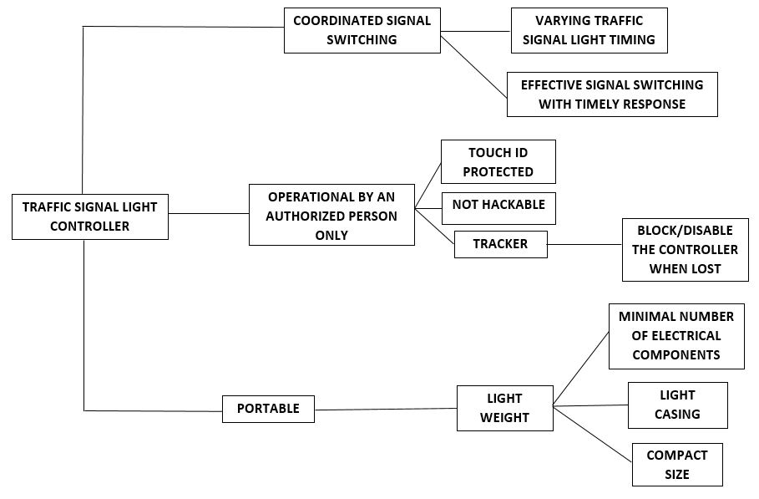
 | 3.1.2 The controller should have a casing of a less dense material
 | 3.1.3 The controller should be compact in size
 | -------------------------------------------------------------------------------------------------------------------------------------------

